MP_new
Scenario | BWF | MWF | Plover | MSB | Meadow | Water Used (a-f/y) | Hard Transition Area (sq mi) | Soft Transition Area (sq mi) |  | Analysis Variables
Base | - | - | - | - | - | - | - | - | User input (analysis script must be run to update calculations) | Hard Transition Limit | 3.00 | square miles (per step)
0 | - | - | - | - | - | - | - | - | Analysis script output | Soft Transition Limit | 3.00 | square miles (per step)
1 | - | - | - | - | - | - | 0.00 | 0.00 | Workbook formula calculation | Brine Area Limit | 100.00 | square miles (per step)
2 | - | - | - | - | - | - | 0.00 | 0.00 |  | Sand Fences Area Limit | 0.00 | square miles (total lakewide)
3 | - | - | - | - | - | - | 0.00 | 0.00
4 | - | - | - | - | - | - | 0.00 | 0.00 |  | Habitat Area Targets |  | decimal % of Base case area
5 | - | - | - | - | - | - | 0.00 | 0.00 |  | BWF | 0.90
 |  |  |  |  |  |  |  |  |  | MWF | 0.90
Scenario | BWF | MWF | Plover | MSB | Meadow | Water | Water Conserved (a-f/y) |  |  | Plover | 1.00
Base | #DIV/0! | #DIV/0! | #DIV/0! | #DIV/0! | #DIV/0! | #DIV/0! | - |  |  | MSB | 0.90
0 | #DIV/0! | #DIV/0! | #DIV/0! | #DIV/0! | #DIV/0! | #DIV/0! | - |  |  | Meadow | 0.90
1 | #DIV/0! | #DIV/0! | #DIV/0! | #DIV/0! | #DIV/0! | #DIV/0! | -
2 | #DIV/0! | #DIV/0! | #DIV/0! | #DIV/0! | #DIV/0! | #DIV/0! | - |  |  | Soft Transition DCMS
3 | #DIV/0! | #DIV/0! | #DIV/0! | #DIV/0! | #DIV/0! | #DIV/0! | - |  |  | Tillage
4 | #DIV/0! | #DIV/0! | #DIV/0! | #DIV/0! | #DIV/0! | #DIV/0! | - |  |  | Sand Fences
5 | #DIV/0! | #DIV/0! | #DIV/0! | #DIV/0! | #DIV/0! | #DIV/0! | - |  |  | None
 |  |  |  |  |  |  |  |  |  | None
 |  |  |  |  |  |  |  |  |  | None
DCA | Area (ac) | Area (sq mi) | Base | DWM | Step 0 | MP | Step | Transition Type |  | None
Channel Area North | 133.0 | 0.208 | ENV | ENV | ENV |  |  | hard |  | None
Channel Area South | 197.0 | 0.308 | ENV | ENV | ENV |  |  | hard
Corridor 1 | 87.9 | 0.137 | Gravel | Gravel | Gravel |  |  | hard |  | Waterless DCM Preference List |  | Notes:
Phase 8 | 1,291.7 | 2.018 | Gravel | Gravel | Gravel |  |  | hard |  | Tillage | 1st choice | Lowest capital cost, highest maintenance cost.
T10-1 | 447.9 | 0.700 | SFP | DWM_Dec | DWM_Dec |  |  | hard |  | Gravel | 2nd choice | Limited by soil capacity (not viable close to brine pool).
T10-2N | 201.0 | 0.314 | SFP | DWM_Jan | DWM_Jan |  |  | hard |  | Brine | 3rd choice | More durable, long-term control measure. Supply limited.
T10-2S | 698.0 | 1.091 | SFL | DWM_Jan | DWM_Jan |  |  | hard |  | Sand Fences | 4th choice | Mainteance issues, lakewide area limitation.
T10-3E | 177.8 | 0.278 | SFP | DWM_Jan | DWM_Jan |  |  | hard |  | Till-Brine | 5th choice | Already accounted for as separate Tillage and Brine DCMs.
T10-3W | 102.8 | 0.161 | Brine | Brine | Brine |  |  | hard
T11 | 431.0 | 0.673 | SFP | SFP | SFP |  |  | hard
T1-1 | 152.4 | 0.238 | SFP | DWM_Dec | DWM_Dec |  |  | hard
T12-1 | 215.7 | 0.337 | None | None | Tillage |  |  | hard
T13-1N | 425.9 | 0.665 | SFL | SFL | SFL |  |  | hard
T13-1S | 319.2 | 0.499 | SFL | SFL | SFL |  |  | hard
T13-1 Addition | 79.7 | 0.125 | SFL | DWM_Jan | DWM_Jan |  |  | hard
T13-2N | 251.6 | 0.393 | SFP | SFP | SFP |  |  | hard
T13-2S | 136.9 | 0.214 | SFL | SFL | SFL |  |  | hard
T13-3 | 436.6 | 0.682 | SFP | SFP | SFP |  |  | hard
T16 | 1,082.5 | 1.691 | SFP | DWM_Jan | MWF and MSB |  |  | hard
T17-1 | 523.9 | 0.819 | SFP | DWM_Plovers | DWM_Plovers |  |  | hard
T17-2 | 600.8 | 0.939 | SFP | DWM_Plovers | DWM_Plovers |  |  | hard
T18-0 | 341.5 | 0.534 | SFP | DWM_Jan | DWM_Jan |  |  | hard
T18N | 544.7 | 0.851 | SFP | SFP | SFP |  |  | hard
T18N Addition | 21.3 | 0.033 | SFP | SFP | SFP |  |  | hard
T18S | 1,161.7 | 1.815 | SFP | SFP | SFP |  |  | hard
T1A-1 | 248.4 | 0.388 | Sand Fences | Sand Fences | Sand Fences |  |  | hard
T1A-2 | 701.0 | 1.095 | SFL | SFL | BWF |  |  | hard
T1A-3 | 506.2 | 0.791 | None | None | Gravel |  |  | hard
T1A-4 | 615.1 | 0.961 | None | None | SFLS |  |  | hard
T2-1 | 332.6 | 0.520 | SFL | SFL | SFL |  |  | hard
T2-1 Addition | 183.4 | 0.287 | SFL | SFL | SFL |  |  | hard
T21E | 275.4 | 0.430 | SFP | SFP | SFP |  |  | hard
T21W | 43.2 | 0.068 | SFL | DWM_Jan | DWM_Jan |  |  | hard
T2-2 | 133.3 | 0.208 | SFP | SFP | SFP |  |  | hard
T2-3 | 74.7 | 0.117 | SFL | SFL | Tillage |  |  | hard
T23-5 | 199.2 | 0.311 | SFP | SFP | SFP |  |  | hard
T23NE | 251.4 | 0.393 | SFL | SFL | SFL |  |  | hard
T23NW | 220.1 | 0.344 | SFL | SFL | SFL |  |  | hard
T23SE | 475.8 | 0.743 | SFL | SFL | SFL |  |  | hard
T23SW | 225.4 | 0.352 | SFL | SFL | SFL |  |  | hard
T24 | 1,099.7 | 1.718 | SFL | SFL | SFL |  |  | hard
T2-4 | 180.3 | 0.282 | SFL | SFL | Tillage |  |  | hard
T24 Addition | 42.3 | 0.066 | SFL | SFL | Tillage |  |  | hard
T2-5 | 65.2 | 0.102 | Brine | Brine | Brine |  |  | hard
T25-3 | 170.2 | 0.266 | SFL | DWM_Jan | DWM_Jan |  |  | hard
T25N | 257.3 | 0.402 | SFL | SFL | SFL |  |  | hard
T25S | 818.3 | 1.279 | SFL | SFL | SFL |  |  | hard
T26 | 851.2 | 1.330 | SFL | SFL | SFL |  |  | hard
T27 Addition | 50.4 | 0.079 | SFL | SFL | SFL |  |  | hard
T27N | 547.6 | 0.856 | SFL | SFL | SFL |  |  | hard
T27S | 545.3 | 0.852 | SFL | SFL | SFL |  |  | hard
T28N | 453.0 | 0.708 | SFL | SFL | Meadow |  |  | hard
T28S | 300.0 | 0.469 | SFL | SFL | Meadow |  |  | hard
T29-1 | 219.8 | 0.343 | SFP | SFP | SFP |  |  | hard
T29-2 | 479.5 | 0.749 | SFP | SFP | SFP |  |  | hard
T29-3 | 258.1 | 0.403 | SFP | SFP | SFP |  |  | hard
T29-4 | 163.3 | 0.255 | SFL | SFL | Brine |  |  | hard
T30-1 | 689.3 | 1.077 | SFL | SFL | Breeding Waterfowl & Meadow |  |  | hard
T30-2 | 316.9 | 0.495 | SFP | SFP | SFP |  |  | hard
T30-3 | 172.8 | 0.270 | SFP | SFP | SFP |  |  | hard
T32-1 | 112.2 | 0.175 | None | None | Meadow |  |  | hard
T35-1 | 67.3 | 0.105 | SFP | SFP | Gravel |  |  | hard
T35-2 | 91.6 | 0.143 | SFP | SFP | Gravel |  |  | hard
T36-1E | 288.4 | 0.451 | SFL | SFL | Meadow |  |  | hard
T36-1W | 357.2 | 0.558 | SFL | SFL | Meadow |  |  | hard
T36-2E | 275.8 | 0.431 | SFP | SFP | SFP |  |  | hard
T36-2W | 391.6 | 0.612 | SFP | SFP | SFP |  |  | hard
T36-3 Addition | 21.4 | 0.033 | Brine | Brine | Brine |  |  | hard
T36-3E | 143.1 | 0.224 | Brine | Brine | Brine |  |  | hard
T36-3W | 82.6 | 0.129 | Brine | Brine | Brine |  |  | hard
T37-2 | 377.8 | 0.590 | None | None | DWM_Jan |  |  | hard
T3NE | 149.2 | 0.233 | SFL | SFL | Tillage |  |  | hard
T3SE | 318.7 | 0.498 | SFL | SFL | Tillage |  |  | hard
T3SE Addition | 77.5 | 0.121 | SFL | SFL | SFL |  |  | hard
T3SW | 386.5 | 0.604 | SFL | SFL | Tillage |  |  | hard
T4-3 | 149.4 | 0.233 | SFL | SFL | SFL |  |  | hard
T4-3 Addition | 87.4 | 0.137 | SFL | SFL | SFL |  |  | hard
T4-4 | 161.5 | 0.252 | SFP | SFP | SFP |  |  | hard
T4-5 | 67.2 | 0.105 | SFP | SFP | SFP |  |  | hard
T5-1 | 86.4 | 0.135 | SFL | SFL | SFL |  |  | hard
T5-1 Addition | 19.9 | 0.031 | Veg 11 | Veg 11 | Veg 11 |  |  | hard
T5-2 | 19.8 | 0.031 | SFL | SFL | SFL |  |  | hard
T5-3 | 139.2 | 0.218 | SFL | SFL | SFL |  |  | hard
T5-3 Addition | 80.6 | 0.126 | SFP | SFP | SFP |  |  | hard
T5-3B | 40.0 | 0.063 | Veg 08 | Veg 08 | Veg 08 |  |  | hard
T5-3C | 19.7 | 0.031 | Veg 08 | Veg 08 | Veg 08 |  |  | hard
T5-4 | 43.4 | 0.068 | SFP | SFP | Brine |  |  | hard
T5-4B | 40.0 | 0.063 | Veg 08 | Veg 08 | Veg 08 |  |  | hard
T5-4C | 40.0 | 0.063 | Veg 08 | Veg 08 | Veg 08 |  |  | hard
T5-4D | 40.0 | 0.063 | Veg 08 | Veg 08 | Veg 08 |  |  | hard
T5-5A | 40.0 | 0.063 | Veg 08 | Veg 08 | Veg 08 |  |  | hard
T5-5D | 40.0 | 0.063 | Veg 08 | Veg 08 | Veg 08 |  |  | hard
T5-6A | 40.0 | 0.063 | Veg 08 | Veg 08 | Veg 08 |  |  | hard
T5-6B | 40.0 | 0.063 | Veg 08 | Veg 08 | Veg 08 |  |  | hard
T5-6C | 40.0 | 0.063 | Veg 08 | Veg 08 | Veg 08 |  |  | hard
T5-6D | 40.0 | 0.063 | Veg 08 | Veg 08 | Veg 08 |  |  | hard
T5-7A | 40.0 | 0.063 | Veg 08 | Veg 08 | Veg 08 |  |  | hard
T5-7B | 40.0 | 0.063 | Veg 08 | Veg 08 | Veg 08 |  |  | hard
T5-7D | 40.0 | 0.063 | Veg 08 | Veg 08 | Veg 08 |  |  | hard
T6-4C | 40.0 | 0.063 | Veg 08 | Veg 08 | Veg 08 |  |  | hard
T6-4D | 40.0 | 0.063 | Veg 08 | Veg 08 | Veg 08 |  |  | hard
T6-5A | 40.0 | 0.063 | Veg 08 | Veg 08 | Veg 08 |  |  | hard
T6-5B | 40.0 | 0.063 | Veg 08 | Veg 08 | Veg 08 |  |  | hard
T6-5C | 40.0 | 0.063 | Veg 08 | Veg 08 | Veg 08 |  |  | hard
T6-5D | 40.0 | 0.063 | Veg 08 | Veg 08 | Veg 08 |  |  | hard
T6-6A | 40.0 | 0.063 | Veg 08 | Veg 08 | Veg 08 |  |  | hard
T6-6B | 40.0 | 0.063 | Veg 08 | Veg 08 | Veg 08 |  |  | hard
T6-6C | 40.0 | 0.063 | Veg 08 | Veg 08 | Veg 08 |  |  | hard
T6-6D | 40.0 | 0.063 | Veg 08 | Veg 08 | Veg 08 |  |  | hard
T6-7A | 40.0 | 0.063 | Veg 08 | Veg 08 | Veg 08 |  |  | hard
T6-7B | 40.0 | 0.063 | Veg 08 | Veg 08 | Veg 08 |  |  | hard
T6-7C | 40.0 | 0.063 | Veg 08 | Veg 08 | Veg 08 |  |  | hard
T6-7D | 40.0 | 0.063 | Veg 08 | Veg 08 | Veg 08 |  |  | hard
T7-4A | 40.0 | 0.063 | Veg 08 | Veg 08 | Veg 08 |  |  | hard
T7-4C | 40.0 | 0.063 | Veg 08 | Veg 08 | Veg 08 |  |  | hard
T7-4D | 40.0 | 0.063 | Veg 08 | Veg 08 | Veg 08 |  |  | hard
T7-5A | 40.0 | 0.063 | Veg 08 | Veg 08 | Veg 08 |  |  | hard
T7-5B | 40.0 | 0.063 | Veg 08 | Veg 08 | Veg 08 |  |  | hard
T7-5C | 40.0 | 0.063 | Veg 08 | Veg 08 | Veg 08 |  |  | hard
T7-5D | 40.0 | 0.063 | Veg 08 | Veg 08 | Veg 08 |  |  | hard
T7-6A | 40.0 | 0.063 | Veg 08 | Veg 08 | Veg 08 |  |  | hard
T7-6B | 40.0 | 0.063 | Veg 08 | Veg 08 | Veg 08 |  |  | hard
T7-6C | 40.0 | 0.063 | Veg 08 | Veg 08 | Veg 08 |  |  | hard
T7-6D | 40.0 | 0.063 | Veg 08 | Veg 08 | Veg 08 |  |  | hard
T7-7A | 40.0 | 0.063 | Veg 08 | Veg 08 | Veg 08 |  |  | hard
T7-7B | 40.0 | 0.063 | Veg 08 | Veg 08 | Veg 08 |  |  | hard
T7-7C | 39.9 | 0.062 | Veg 08 | Veg 08 | Veg 08 |  |  | hard
T7-7D | 40.0 | 0.063 | Veg 08 | Veg 08 | Veg 08 |  |  | hard
T8-3A | 40.0 | 0.063 | Veg 08 | Veg 08 | Veg 08 |  |  | hard
T8-3B | 39.7 | 0.062 | Veg 08 | Veg 08 | Veg 08 |  |  | hard
T8-4A | 40.0 | 0.063 | Veg 08 | Veg 08 | Veg 08 |  |  | hard
T8-4B | 40.0 | 0.063 | Veg 08 | Veg 08 | Veg 08 |  |  | hard
T8-4C | 40.0 | 0.063 | Veg 08 | Veg 08 | Veg 08 |  |  | hard
...

Generic HV & WD
...
0.02 | 0.03 | 0.12 | 0.00 | 1.49 | Drip Tube Managed Veg | 1.01
0.06 | - | 0.06 | 0.00 | 0.72 | Sprinkler Managed Veg | 3.18
0.18 | 0.24 | 0.43 | 0.01 | 3.51 | Ponds | 3.13 | Note: "Ponds" and "Habitat Ponds" water duties are considered to be aggregate values for entire DCA.
0.04 | 0.13 | 0.30 | - | 0.98 | Habitat Ponds | 3.86
0.05 | 0.23 | 0.33 | - | 1.51 | T16 Habitat Ponds | 5.38 | Note: "T16 Habitat Pond" water duties are considered to be specific to actual pond acreage (and will be adjusted for each HDCM). These will go into the custom sheet for MP steps
0.04 | 0.13 | 0.30 | - | 1.07
0.61 | 0.12 | 0.48 | - | 4.1
0.76 | 0.15 | 0.57 | - | 4.71
0.27 | 0.54 | 0.56 | - | 3.46
0.08 | 0.52 | 0.55 | - | 3.46
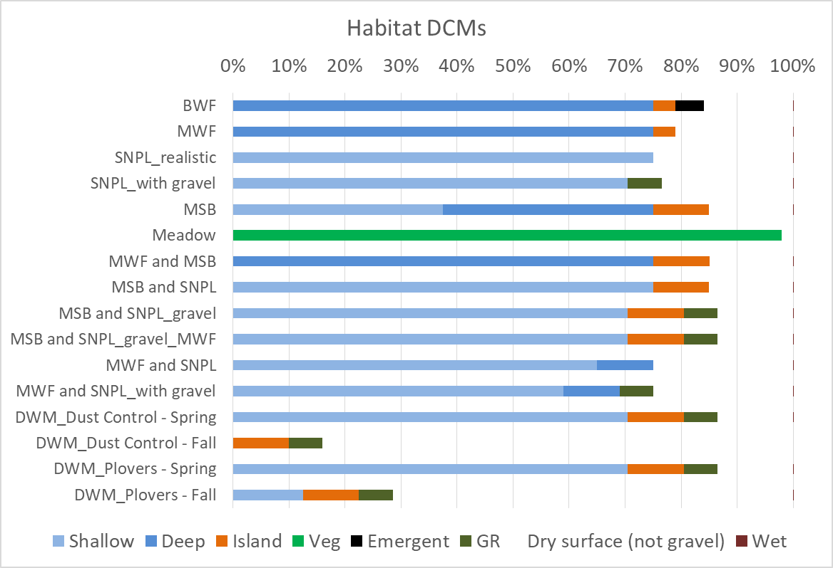
0.35 | 0.39 | 0.89 | - | 4.71
0.02 | - | - | 0.97 | 1.49
0.76 | 0.16 | 0.73 | - | 4.71
0.12 | 0.54 | 0.89 | - | 4.71
0.11 | 0.52 | 0.87 | - | 4.71
0.38 | 0.52 | 0.87 | - | 4.71
0.37 | 0.50 | 0.63 | - | 4.71
0.35 | 0.57 | 0.61 | - | 4.71
0.04 | 0.13 | 0.30 | - | 0.98
0.05 | 0.36 | 0.39 | - | 3.59
0.05 | 0.23 | 0.33 | - | 1.51
0.18 | 0.24 | 0.43 | 0.01 | 3
- | - | - | - | 0
- | - | - | - | 0
- | - | - | - | 0
0.05 | 0.15 | 0.33 | 0.02 | 0
- | - | 0.05 | - | 0
0.17 | 0.05 | 0.24 | 0.38 | 3.51
0 | 0 | 0 | 0 | 0
...

